QLF
Quantum Mutual Fund

Quantum Asset Management Company Private Ltd
Registered Office: 1st Floor, Apeejay House, 3 Dinshaw Vachha Road, Backbay Reclamation, Churchgate, Mumbai - 400020, Maharashtra, India
Toll Free Helpline.: 1800 22 3863 | Tel No.: 91-22-61447800 | E-mail: CustomerCare@QuantumAMC.com | Website: www.QuantumAMC.com

Quantum Liquid Fund (An Open-ended Liquid Scheme. A relatively low interest rate risk and relatively low credit risk)

Monthly Portfolio Statement of the Quantum Liquid Fund for the period ended September 30, 2025

Sr.No. | Name of Instrument | ISIN | Rating | Quantity | Market/ Fair Value ( Rs. in Lakhs) | % to NAV | Annualised Yield to Maturity | ~YTC (AT1/Tier 2 bonds)

 | DEBT INSTRUMENTS

a) | Listed /Awaiting listing on Stock Exchanges

i) | Bonds

1 | 7.59% Power Fin Corp Ltd NCD Sr 218(MD 03/11/2025)** $ | INE134E08LU1 | CRISIL AAA | 250 | 2,502.57 | 4.72% | 6.03%

 | Total of Bonds |  |  |  | 2,502.57 | 4.72%

ii) | Government Securities |  |  |  | NIL | NIL | NIL

iii) | State Government Securities |  |  |  | NIL | NIL | NIL

b) | Privately Placed/Unlisted |  |  |  | NIL | NIL | NIL

c) | Securitized Debt Instruments |  |  |  | NIL | NIL | NIL

 | Total of Debt Instruments |  |  |  | 2,502.57 | 4.72%

 | MONEY MARKET INSTRUMENTS

a) | Treasury Bills (T-Bill)

1 | 91 Days Tbill (MD 02/10/2025)** $ | IN002025X141 | SOV | 6,000,000 | 5,999.24 | 11.32% | 4.61%
2 | 91 Days Tbill (MD 16/10/2025) $ | IN002025X166 | SOV | 5,000,000 | 4,988.93 | 9.42% | 5.40%
3 | 91 Days Tbill (MD 06/11/2025) $ | IN002025X190 | SOV | 5,000,000 | 4,973.51 | 9.39% | 5.40%
4 | 91 Days Tbill (MD 04/12/2025)** $ | IN002025X232 | SOV | 5,000,000 | 4,952.89 | 9.35% | 5.42%
5 | 91 Days Tbill (MD 28/11/2025) | IN002025X224 | SOV | 2,500,000 | 2,478.47 | 4.68% | 5.47%
6 | 91 Days Tbill (MD 30/10/2025) | IN002025X182 | SOV | 1,500,000 | 1,493.59 | 2.82% | 5.40%

 | Total of T-Bill |  |  |  | 24,886.63 | 46.98%

b) | Commercial Papers (CP)

1 | Export Import Bank of India CP (MD 24/10/2025)** $ | INE514E14ST9 | CRISIL A1+ | 500 | 2,490.73 | 4.70% | 5.91%
2 | Power Finance Corporation Ltd CP (MD 15/12/2025)** | INE134E14AT4 | CRISIL A1+ | 300 | 1,482.41 | 2.80% | 5.78%

 | Total of CPs |  |  |  | 3,973.14 | 7.50%

c) | Certificate of Deposits (CD)

1 | Punjab National Bank CD (MD 11/12/2025) $ | INE160A16QL5 | CRISIL A1+ | 900 | 4,450.03 | 8.40% | 5.77%
2 | Canara Bank CD (MD 03/10/2025)** $ | INE476A16D39 | CRISIL A1+ | 500 | 2,499.20 | 4.72% | 5.87%
3 | Bank of Baroda CD (MD 03/10/2025)** $ | INE028A16II7 | IND A1+ | 500 | 2,499.20 | 4.72% | 5.87%
4 | Small Ind Dev Bk of India CD (MD 23/10/2025)** $ | INE556F16AV6 | CARE A1+ | 500 | 2,491.16 | 4.70% | 5.89%
5 | Bank of Baroda CD (MD 03/11/2025)** | INE028A16JK1 | CRISIL A1+ | 500 | 2,486.93 | 4.69% | 5.81%
6 | Canara Bank CD (MD 18/12/2025) | INE476A16ZT9 | CRISIL A1+ | 500 | 2,469.92 | 4.66% | 5.70%
7 | Small Ind Dev Bk of India CD (MD 05/12/2025) | INE556F16AX2 | CARE A1+ | 400 | 1,979.59 | 3.74% | 5.79%

 | Total of CDs |  |  |  | 18,876.03 | 35.63%

d) | TREPS ^ |  |  |  | 2,296.84 | 4.34% | 5.51%

 | Total of Money Market Instruments |  |  |  | 50,032.64 | 94.45%

 | OTHERS
1 | Corporate Debt Market Development Fund Class A2 | INF0RQ622028 |  | 1,534 | 174.68 | 0.33%

 | Net Receivable/(payable) |  |  |  | 273.07 | 0.50%

 | Grand Total |  |  |  | 52,982.96 | 100.00%

 | Portfolio Information
 | Scheme Name : | Quantum Liquid Fund
 | Description (if any)
 | Annualised Portfolio YTM* : | 5.52%
 | Macaulay Duration | 35 Days
 | Residual Maturity | 36 Days
 | As on (Date) | 30-09-2025
 | * in case of semi annual YTM, it will be annualised

 | Notes:
(1) | The provisions made for investment in security below investment grade as on September 30, 2025 is NIL & its percentage to NAV is NIL.
(2) | Total value and percentage of illiquid securities - NIL.
(3) | Option wise per unit Net Asset Value are as follows:
 | Option | As on September 30, 2025 (Rs.)
 | Direct Plan Daily IDCW | 10.0087
 | Direct Plan Monthly IDCW | 10.0198
 | Direct Plan Growth Option | 35.7207
 | Regular Plan Daily IDCW | 10.0002
 | Regular Plan Monthly IDCW | 10.0170
 | Regular Plan Growth Option | 35.4615
 | Unclaimed IDCW Plan Above 3 years | 10.0000
 | Unclaimed IDCW Plan Below 3 years | 11.2309
 | Unclaimed Redemption Plan Above 3 years | 10.0000
 | Unclaimed Redemption Plan Below 3 years | 10.7991
(4) | IDCW declared during the period ended September 30, 2025
 |  | Gross IDCW per unit (Rs.)
 |  | Individual / Non Individual
 | Direct Plan Daily IDCW | 0.04490295
 | Direct Plan Monthly IDCW | 0.04462957
 | Regular Plan Daily IDCW | 0.04411235
 | Regular Plan Monthly IDCW | 0.04372298
 | IDCW declared was on the face value of Rs.10 per unit. Past performance may or may not be sustained in future. After payment of the IDCW, the per unit NAV falls to the extent of pay out and statutory levy, if any.TDS as applicable is being deducted from Gross IDCW as per Finance Act 2020 & investor will receive the Net IDCW.
(5) | Bonus declared during the period ended September 30, 2025 - NIL.
(6) | Total outstanding exposure in derivative instruments as on September 30, 2025 - NIL.
(7) | Total Market value of investments in Foreign Securities/American Depository Receipts/Global Depository Receipts as on September 30, 2025 - NIL.
(8) | The Face Value per unit is Rs.10.
(9) | Investment in Fixed Deposits - NIL.
(10) | Total Commission for the month ended September 30, 2025 - Rs.21,950.
(11) | Total Brokerage for Buying/ Selling of Investments for the month ended September 30, 2025 is Rs.9,900.
(12) | Details of Repo in Corporate Debt Securities as on September 30, 2025 is NIL.
(13) | Total number of instances of deviation in valuation of securities of the scheme from the valuation price given by the valuation agencies during the period are: NIL.
(14) | Investments in Credit Default Swap (CDS) during the month/as on September 30, 2025 is NIL.
(15) | Quantum Liquid Fund Aum of Rs.529.83 Crores includes amount payable to investors on account of Unclaimed Dividend below 3 years amounting to Rs. 0.03 Crores & Unclaimed Redemption below 3 years amounting to Rs. 0.02 Crores.
 | IDCW stands for Income Distribution cum Capital Withdrawal.
~ | YTC i.e. Yield to Call is disclosed at security level only for Additional Tier 1 Bonds and Tier 2 Bonds issued by Banks as per AMFI Best Practices Notification 135/BP/91/2020-21 read with SEBI circular SEBI/HO/IMD/DF4/CIR/P/2021/034
** | Non Traded Securities as per traded data obtain from FIMMDA trading platform/ NSE/ BSE/CCIL NDS-OM
$ | Top Ten holding
^ | Cash & Cash Equivalents

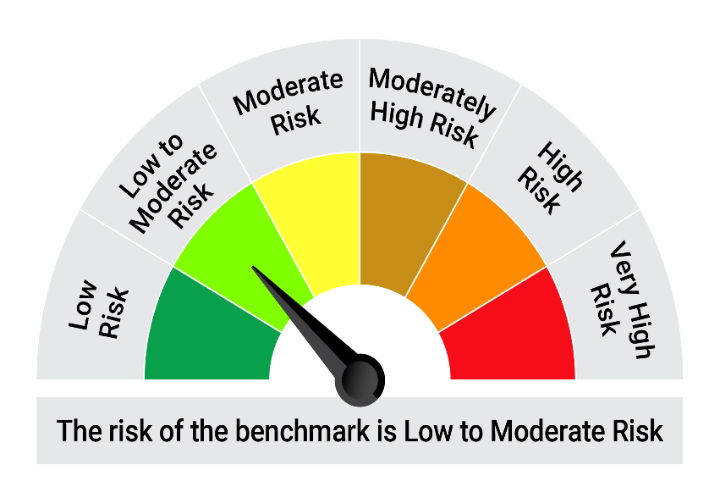
 | Riskometer of the Scheme |  | Tier I Benchmark Riskometer - CRISIL Liquid Debt A-I Index
 | Low Risk |  | Low to Moderate Risk
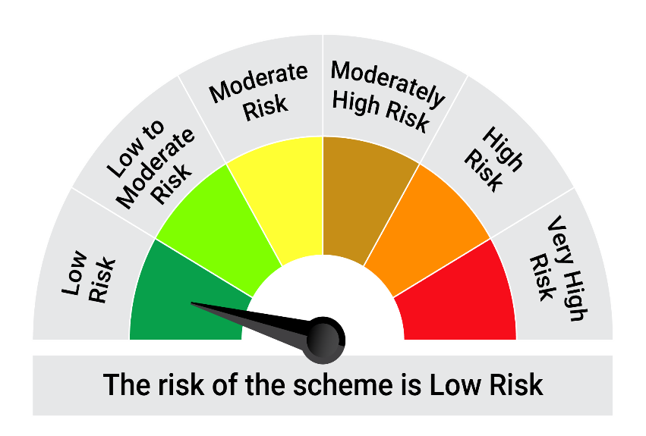

 | The Risk Level of the Scheme in scheme Risk O Meter is basis it's portfolio as on September 30, 2025 |  | The Risk Level of the Benchmark Index in the Risk O Meter is basis it's constituents as on September 30, 2025

 | Potential Risk Class Matrix - Quantum Liquid Fund
 | Credit Risk → | Relatively Low | Moderate | Relatively High
 | Interest Rate Risk ↓ | (Class A) | (Class B) | (Class C)
 | Relatively Low (Class I) | A-I
 | Moderate (Class II)
 | Relatively High (Class III)

