QMULTI
Quantum Mutual Fund

Quantum Asset Management Company Private Ltd
Registered Office: 1st Floor, Apeejay House, 3 Dinshaw Vachha Road, Backbay Reclamation, Churchgate, Mumbai - 400020, Maharashtra, India
Toll Free Helpline.: 1800 22 3863 | Tel No.: 91-22-61447800 | E-mail: CustomerCare@QuantumAMC.com | Website: www.QuantumAMC.com

Quantum Multi Asset Allocation Fund (An Open-Ended Scheme investing in Equity & Equity Related Instruments, Debt & Money Market Instruments and Gold Related Instruments)

Monthly Portfolio Statement of the Quantum Multi Asset Allocation Fund for the period ended October 31, 2025

Sr.No. | Name of Instrument | ISIN | Industry +/ Rating | Quantity | Market/ Fair Value ( Rs. in Lakhs) | % to NAV | Annualised Yield to Maturity

 | EQUITY & EQUITY RELATED

a) | Listed /Awaiting listing on Stock Exchanges

1 | HDFC Bank Ltd* | INE040A01034 | Banks | 26,522 | 261.85 | 5.41%
2 | State Bank of India* | INE062A01020 | Banks | 14,015 | 131.32 | 2.71%
3 | Kotak Mahindra Bank Ltd* | INE237A01028 | Banks | 4,998 | 105.07 | 2.17%
4 | ICICI Bank Ltd* | INE090A01021 | Banks | 7,778 | 104.64 | 2.16%
5 | Hero MotoCorp Ltd* | INE158A01026 | Automobiles | 1,862 | 103.23 | 2.13%
6 | Infosys Ltd* | INE009A01021 | IT - Software | 6,821 | 101.11 | 2.09%
7 | Nuvoco Vistas Corporation Ltd* | INE118D01016 | Cement & Cement Products | 23,679 | 98.18 | 2.03%
8 | Tata Consultancy Services Ltd* | INE467B01029 | IT - Software | 3,155 | 96.48 | 1.99%
9 | Axis Bank Ltd* | INE238A01034 | Banks | 7,366 | 90.81 | 1.88%
10 | ICICI Prudential Life Insurance Company Ltd* | INE726G01019 | Insurance | 15,063 | 89.04 | 1.84%
11 | Cipla Ltd | INE059A01026 | Pharmaceuticals & Biotechnology | 5,591 | 83.94 | 1.73%
12 | Star Health And Allied Insurance Company Ltd | INE575P01011 | Insurance | 16,686 | 82.50 | 1.71%
13 | Bharti Airtel Ltd | INE397D01024 | Telecom - Services | 3,616 | 74.29 | 1.54%
14 | Bajaj Finance Ltd | INE296A01032 | Finance | 6,721 | 70.09 | 1.45%
15 | Crompton Greaves Consumer Electricals Ltd | INE299U01018 | Consumer Durables | 21,696 | 61.33 | 1.27%
16 | Wipro Ltd | INE075A01022 | IT - Software | 22,128 | 53.26 | 1.10%
17 | Gujarat State Petronet Ltd | INE246F01010 | Gas | 16,222 | 50.23 | 1.04%
18 | Tata Steel Ltd | INE081A01020 | Ferrous Metals | 26,379 | 48.23 | 1.00%
19 | Eicher Motors Ltd | INE066A01021 | Automobiles | 641 | 44.91 | 0.93%
20 | Tech Mahindra Ltd | INE669C01036 | IT - Software | 2,962 | 42.19 | 0.87%
21 | LIC Housing Finance Ltd | INE115A01026 | Finance | 7,177 | 40.98 | 0.85%
22 | Maruti Suzuki India Ltd | INE585B01010 | Automobiles | 246 | 39.82 | 0.82%
23 | Hindustan Unilever Ltd | INE030A01027 | Diversified FMCG | 1,582 | 39.00 | 0.81%
24 | IndusInd Bank Ltd | INE095A01012 | Banks | 4,583 | 36.43 | 0.75%
25 | Mahindra & Mahindra Ltd | INE101A01026 | Automobiles | 1,001 | 34.91 | 0.72%
26 | Container Corporation of India Ltd | INE111A01025 | Transport Services | 5,834 | 31.81 | 0.66%
27 | Bajaj Auto Ltd | INE917I01010 | Automobiles | 342 | 30.41 | 0.63%
28 | NTPC Ltd | INE733E01010 | Power | 8,776 | 29.57 | 0.61%
29 | HCL Technologies Ltd | INE860A01027 | IT - Software | 1,719 | 26.50 | 0.55%
30 | Power Grid Corporation of India Ltd | INE752E01010 | Power | 8,684 | 25.02 | 0.52%
31 | Dr. Reddy''s Laboratories Ltd | INE089A01031 | Pharmaceuticals & Biotechnology | 1,975 | 23.65 | 0.49%
32 | Bajaj Finserv Ltd | INE918I01026 | Finance | 1,120 | 23.39 | 0.48%
33 | SBI Life Insurance Company Ltd | INE123W01016 | Insurance | 1,131 | 22.12 | 0.46%
34 | HDFC Life Insurance Company Ltd | INE795G01014 | Insurance | 2,847 | 20.84 | 0.43%
35 | Titan Company Ltd | INE280A01028 | Consumer Durables | 549 | 20.57 | 0.43%
36 | Shriram Finance Ltd | INE721A01047 | Finance | 2,292 | 17.16 | 0.35%
37 | Asian Paints Ltd | INE021A01026 | Consumer Durables | 659 | 16.55 | 0.34%
38 | Nestle India Ltd | INE239A01024 | Food Products | 1,186 | 15.08 | 0.31%
39 | Tata Motors Passenger Vehicles Ltd | INE155A01022 | Automobiles | 3,323 | 13.62 | 0.28%
40 | Tata Consumer Products Ltd | INE192A01025 | Agricultural Food & other Products | 1,148 | 13.37 | 0.28%
41 | TML Commercial Vehicles Ltd | INE1TAE01010 | Agricultural, Commercial & Construction Vehicles | 3,323 | 7.80 | 0.16%

b) | Unlisted |  |  |  | NIL | NIL | NIL

 | Total of all Equity |  |  |  | 2,321.30 | 47.98%

 | EXCHANGE TRADED FUND UNITS

1 | Quantum Gold Fund -Exchange Traded Fund (ETF)* | INF082J01408 |  | 623,349 | 622.66 | 12.87%

 | Total of Exchange Traded Fund Units |  |  |  | 622.66 | 12.87%

 | DEBT INSTRUMENTS

a) | Listed /Awaiting listing on Stock Exchanges

i) | Bonds |  |  |  | NIL | NIL | NIL

ii) | Government Securities

1 | 7.04% GOI (MD 03/06/2029) | IN0020240050 | SOV | 500,000 | 515.92 | 10.66% | 6.13%
2 | 6.68% GOI (MD 07/07/2040) | IN0020250042 | SOV | 500,000 | 490.21 | 10.13% | 7.01%
3 | 5.15% GOI (MD 09/11/2025)** | IN0020200278 | SOV | 200,000 | 200.00 | 4.13% | 5.15%

 | Total of Government Securities |  |  |  | 1,206.13 | 24.92%

iii) | State Government Securities

1 | 7.63% Maharashtra SDL (MD 31/01/2035)** | IN2220230196 | SOV | 500,000 | 515.50 | 10.65% | 7.29%

 | Total of State Government Securities |  |  |  | 515.50 | 10.65%

b) | Privately Placed/Unlisted |  |  |  | NIL | NIL | NIL

c) | Securitized Debt Instruments |  |  |  | NIL | NIL | NIL

 | Total of Debt Instruments |  |  |  | 1,721.63 | 35.57%

 | MONEY MARKET INSTRUMENTS

a) | Treasury Bills (T-Bill) |  |  |  | NIL | NIL | NIL

b) | Commercial Papers (CP) |  |  |  | NIL | NIL | NIL

c) | Certificate of Deposits (CD) |  |  |  | NIL | NIL | NIL

d) | TREPS ^ |  |  |  | 139.58 | 2.88% | 5.54%

 | Total of Money Market Instruments |  |  |  | 139.58 | 2.88%

 | OTHERS
 | Net Receivable/(payable) |  |  |  | 33.16 | 0.70%

 | Grand Total |  |  |  | 4,838.33 | 100.00%

 | Notes:
(1) | The provisions made for investment in security below investment grade as on October 31, 2025 is NIL & its percentage to NAV is NIL.
(2) | Total value and Percentage of illiquid Equity shares - NIL.
(3) | Option wise per unit Net Asset Value are as follows:
...
(11) | Details of Repo in Corporate Debt Securities as on October 31, 2025 is NIL
(12) | Total number of instances of deviation in valuation of securities of the scheme from the valuation price given by the valuation agencies during the period are: NIL.
(13) | Equity Portfolio Turnover Ratio (Last One Year) is 1.76%., Total Portfolio Turnover Ratio (Last One Year) is 146.59%. (Total Turnover = Equity + Debt + ETF)
* | Top ten holdings
** | Non Traded Securities as per traded data obtain from FIMMDA trading platform/ NSE/ BSE/CCIL NDS-OM
^ | Cash & Cash Equivalents
+ | Industry Classification as recommeded by AMFI

 | Riskometer of the Scheme |  | Tier I Benchmark Riskometer - NIFTY 50 TRI (40%) + CRISIL Short Duration Debt A-II Index (45%) + Domestic Price of Gold (15%)
 | Very High Risk |  | Moderately High Risk
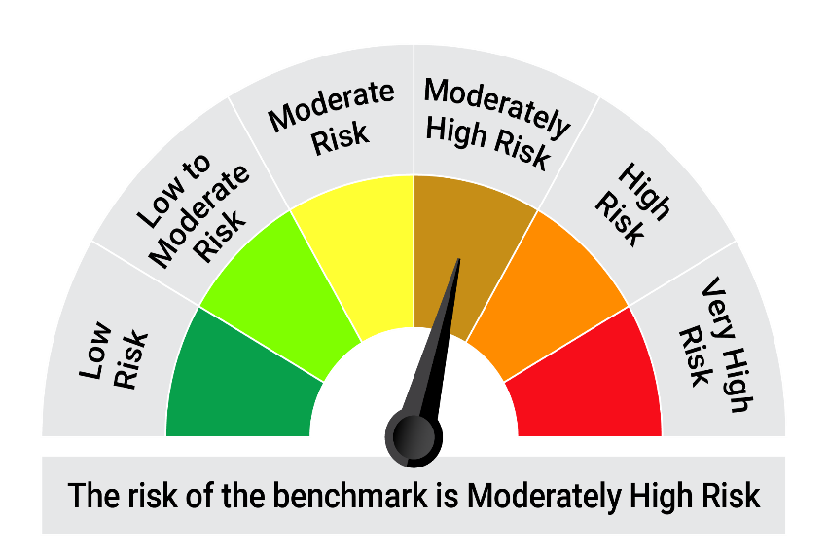

 | The Risk Level of the Scheme in scheme Risk O Meter is basis it's portfolio as on October 31, 2025 |  | The Risk Level of the Benchmark Index in the Risk O Meter is basis it's constituents as on October 31, 2025

