QLTEVF
Quantum Mutual Fund

Quantum Asset Management Company Private Ltd
Registered Office: 1st Floor, Apeejay House, 3 Dinshaw Vachha Road, Backbay Reclamation, Churchgate, Mumbai - 400020, Maharashtra, India
Toll Free Helpline.: 1800 22 3863 | Tel No.: 91-22-61447800 | E-mail: CustomerCare@QuantumAMC.com | Website: www.QuantumAMC.com

Quantum Value Fund (An Open Ended Equity Scheme following a Value Investment Strategy)

Monthly Portfolio Statement of the Quantum Value Fund for the period ended August 31, 2026

Sr.No. | Name of Instrument | ISIN | Industry + | Quantity | Market/ Fair Value ( Rs. in Lakhs) | % to NAV | Annualised Yield to Maturity

 | EQUITY & EQUITY RELATED

a) | Listed /Awaiting listing on Stock Exchanges

1 | HDFC Bank Ltd* | INE040A01034 | Banks | 859,724 | 6,095.44 | 5.43%
2 | ICICI Bank Ltd* | INE090A01021 | Banks | 384,807 | 5,595.09 | 4.99%
3 | Tata Consultancy Services Ltd* | INE467B01029 | IT - Software | 225,102 | 5,400.87 | 4.81%
4 | Infosys Ltd* | INE009A01021 | IT - Software | 434,177 | 4,922.70 | 4.39%
5 | Kotak Mahindra Bank Ltd* | INE237A01036 | Banks | 1,138,480 | 4,774.79 | 4.26%
6 | Exide Industries Ltd* | INE302A01020 | Auto Components | 955,364 | 4,205.99 | 3.75%
7 | Tech Mahindra Ltd* | INE669C01036 | IT - Software | 242,473 | 3,947.46 | 3.52%
8 | Axis Bank Ltd* | INE238A01034 | Banks | 298,293 | 3,877.81 | 3.46%
9 | ICICI Prudential Life Insurance Company Ltd* | INE726G01019 | Insurance | 732,344 | 3,786.58 | 3.38%
10 | Container Corporation of India Ltd* | INE111A01025 | Transport Services | 729,693 | 3,735.30 | 3.33%
11 | HDFC Life Insurance Company Ltd | INE795G01014 | Insurance | 662,276 | 3,598.48 | 3.21%
12 | Hero MotoCorp Ltd | INE158A01026 | Automobiles | 65,170 | 3,551.77 | 3.17%
13 | Crompton Greaves Consumer Electricals Ltd | INE299U01018 | Consumer Durables | 1,463,120 | 3,451.50 | 3.08%
14 | Star Health And Allied Insurance Company Ltd | INE575P01011 | Insurance | 600,659 | 3,410.24 | 3.04%
15 | Bharti Airtel Ltd | INE397D01024 | Telecom - Services | 184,962 | 3,351.33 | 2.99%
16 | GAIL (India) Ltd | INE129A01019 | Gas | 1,763,025 | 3,129.37 | 2.79%
17 | Cipla Ltd | INE059A01026 | Pharmaceuticals & Biotechnology | 221,913 | 3,127.20 | 2.79%
18 | Nuvoco Vistas Corporation Ltd | INE118D01016 | Cement & Cement Products | 980,171 | 3,125.77 | 2.79%
19 | ICICI Lombard General Insurance Company Ltd | INE765G01017 | Insurance | 193,532 | 3,032.45 | 2.70%
20 | Wipro Ltd | INE075A01022 | IT - Software | 1,636,426 | 3,019.21 | 2.69%
21 | State Bank of India | INE062A01020 | Banks | 277,151 | 2,937.80 | 2.62%
22 | LIC Housing Finance Ltd | INE115A01026 | Finance | 543,646 | 2,926.99 | 2.61%
23 | Godrej Properties Ltd | INE484J01027 | Realty | 144,214 | 2,905.48 | 2.59%
24 | Dr. Reddy''s Laboratories Ltd | INE089A01031 | Pharmaceuticals & Biotechnology | 246,071 | 2,840.64 | 2.53%
25 | Aditya Birla Sun Life AMC Ltd | INE404A01024 | Capital Markets | 226,011 | 2,377.18 | 2.12%
26 | IndusInd Bank Ltd | INE095A01012 | Banks | 226,269 | 2,300.25 | 2.05%
27 | SBI Cards and Payment Services Ltd | INE018E01016 | Finance | 351,740 | 2,267.84 | 2.02%
28 | CMS Info System Ltd | INE925R01014 | Commercial Services & Supplies | 867,192 | 2,112.48 | 1.88%
29 | Bajaj Auto Ltd | INE917I01010 | Automobiles | 16,143 | 1,958.15 | 1.75%
30 | Mahindra & Mahindra Ltd | INE101A01026 | Automobiles | 46,060 | 1,511.69 | 1.35%
31 | Gujarat Energy Ltd | INE844O01030 | Gas | 511,054 | 1,265.88 | 1.13%
32 | Tata Steel Ltd | INE081A01020 | Ferrous Metals | 270,154 | 498.03 | 0.44%

B) | Unlisted
1 | GSPL Transmission Ltd | INE1TUG01013 | Gas | 170,351 | 229.97 | 0.20%
 | Total of all Equity |  |  |  | 105,271.73 | 93.86%

 | MONEY MARKET INSTRUMENTS

a) | Treasury Bills (T-Bill) |  |  |  | NIL | NIL | NIL

b) | Commercial Papers (CP) |  |  |  | NIL | NIL | NIL

c) | Certificate of Deposits (CD) |  |  |  | NIL | NIL | NIL

d) | TREPS ^ |  |  |  | 6,922.42 | 6.17% | 4.72%

 | Total of Money Market Instruments |  |  |  | 6,922.42 | 6.17%

 | OTHERS
 | Net Receivable/(payable) |  |  |  | -3.53 | -0.03%

 | Grand Total |  |  |  | 112,190.62 | 100.00%

 | Notes:
(1) | The provisions made for investment in security below investment grade as on August 31, 2026 is NIL & its percentage to NAV is NIL.
(2) | Total value and Percentage of illiquid Equity shares - NIL
(3) | Option wise per unit Net Asset Value are as follows:
 | Option | As on August 31, 2026 (Rs.) | As on July 31, 2026 (Rs.)
 | Direct Plan IDCW | 126.34 | 127.90
 | Direct Plan Growth Option | 126.08 | 127.63
 | Regular Plan IDCW | 119.24 | 120.82
 | Regular Plan Growth Option | 119.38 | 120.96
(4) | IDCW declared during the period ended August 31, 2026 - NIL
(5) | Bonus declared during the period ended August 31, 2026 - NIL
(6) | Total outstanding exposure in derivative instruments as on August 31, 2026 - NIL
(7) | Total Market value of investments in Foreign Securities/American Depository Receipts/Global Depository Receipts as on August 31, 2026 - NIL
(8) | The Face Value per unit is Rs.10
(9) | Portfolio Turnover Ratio (Last One Year) is 18.78%
(10) | Investment in Fixed Deposits - NIL
(11) | Total Commission for the month ended August 31, 2026 - Rs.4,30,081.00
(12) | Brokerage and Transaction Cost including Statutory Levies incurred for buying and selling of investments for the month ended August 31, 2026 is Rs.8,68,803.
(13) | Details of Repo in Corporate Debt Securities as on August 31, 2026 is NIL
(14) | Total number of instances of deviation in valuation of securities of the scheme from the valuation price given by the valuation agencies during the period are: NIL.
 | IDCW stands for Income Distribution cum Capital Withdrawal
* | Top ten holdings
^ | Cash & Cash Equivalents
+ | Industry Classification as recommeded by AMFI
*** | Thinly Traded/ Non-Traded Securities (Equity) as on August 31, 2026

 | Riskometer of the Scheme |  | Tier I Benchmark Riskometer - BSE 500 TRI
 | Very High Risk |  | Very High Risk



 | The Risk Level of the Scheme in scheme Risk O Meter is basis it's portfolio as on August 31, 2026 |  | The Risk Level of the Benchmark Index in the Risk O Meter is basis it's constituents as on August 31, 2026

 | Tier II Benchmark Riskometer - BSE 200 TRI
 | Very High Risk

 | The Risk Level of the Benchmark Index in the Risk O Meter is basis it's constituents as on August 31, 2026

QLF
Quantum Mutual Fund

Quantum Asset Management Company Private Ltd
Registered Office: 1st Floor, Apeejay House, 3 Dinshaw Vachha Road, Backbay Reclamation, Churchgate, Mumbai - 400020, Maharashtra, India
Toll Free Helpline.: 1800 22 3863 | Tel No.: 91-22-61447800 | E-mail: CustomerCare@QuantumAMC.com | Website: www.QuantumAMC.com

Quantum Liquid Fund (An Open-ended Liquid Scheme. A relatively low interest rate risk and relatively low credit risk)

Monthly Portfolio Statement of the Quantum Liquid Fund for the period ended August 31, 2026

Sr.No. | Name of Instrument | ISIN | Rating | Quantity | Market/ Fair Value ( Rs. in Lakhs) | % to NAV | Annualised Yield to Maturity | ~YTC (AT1/Tier 2 bonds)

 | DEBT INSTRUMENTS

a) | Listed /Awaiting listing on Stock Exchanges

i) | Bonds

1 | 7.23% IRFC NCD Sr 171 (MD 15/10/2026) | INE053F08304 | CRISIL AAA | 4,000 | 4,002.88 | 7.20% | 6.45%
2 | 7.44% SIDBI NCD Ser II (MD 04/09/2026)** | INE556F08KI9 | CRISIL AAA | 1,500 | 1,500.09 | 2.70% | 6.28%
3 | 7.56% Power Fin Corp Ltd NCD OPT B (MD 16/09/2026)** | INE134E08IK8 | CRISIL AAA | 100 | 1,000.29 | 1.80% | 6.39%
4 | 7.62% EXIM Bank NCD SR T06 (MD 01/09/2026)** | INE514E08FG5 | CRISIL AAA | 100 | 1,000.00 | 1.80% | 5.64%

 | Total of Bonds |  |  |  | 7,503.26 | 13.50%

ii) | Government Securities |  |  |  | NIL | NIL | NIL

iii) | State Government Securities |  |  |  | NIL | NIL | NIL

b) | Privately Placed/Unlisted |  |  |  | NIL | NIL | NIL

c) | Securitized Debt Instruments |  |  |  | NIL | NIL | NIL

 | Total of Debt Instruments |  |  |  | 7,503.26 | 13.50%

 | MONEY MARKET INSTRUMENTS

a) | Treasury Bills (T-Bill)

1 | 91 Days Tbill (MD 08/10/2026) | IN002026X149 | SOV | 7,000,000 | 6,963.86 | 12.52% | 5.12%
2 | 91 Days Tbill (MD 01/10/2026) | IN002026X131 | SOV | 4,500,000 | 4,481.18 | 8.06% | 5.11%
3 | 364 Days Tbill (MD 08/10/2026)** | IN002025Z286 | SOV | 2,500,000 | 2,487.09 | 4.47% | 5.12%
4 | 91 Days Tbill (MD 05/11/2026) | IN002026X180 | SOV | 2,500,000 | 2,476.86 | 4.45% | 5.25%
5 | 91 Days Tbill (MD 19/11/2026) | IN002026X206 | SOV | 2,500,000 | 2,471.86 | 4.44% | 5.26%
6 | 91 Days Tbill (MD 27/11/2026) | IN002026X214 | SOV | 2,500,000 | 2,468.99 | 4.44% | 5.27%

 | Total of T-Bill |  |  |  | 21,349.84 | 38.38%

b) | Commercial Papers (CP)

1 | National Bank For Agri & Rural CP (MD 09/11/2026)** | INE261F14PZ7 | ICRA A1+ | 1,000 | 4,939.96 | 8.88% | 6.43%

 | Total of CPs |  |  |  | 4,939.96 | 8.88%

c) | Certificate of Deposits (CD)

1 | Punjab National Bank CD (MD 15/09/2026) | INE160A16UT0 | CARE A1+ | 800 | 3,990.70 | 7.17% | 6.08%
2 | Canara Bank CD (MD 05/10/2026)** | INE476A16K48 | CRISIL A1+ | 500 | 2,485.57 | 4.47% | 6.23%
3 | Small Ind Dev Bk of India CD (MD 27/10/2026)** | INE556F16BN1 | CARE A1+ | 500 | 2,475.98 | 4.45% | 6.33%
4 | Bank of Baroda CD (MD 05/11/2026)** | INE028A16KH5 | CARE A1+ | 500 | 2,471.92 | 4.44% | 6.38%
5 | Export Import Bank of India CD (MD 11/11/2026)** | INE514E16CN1 | CRISIL A1+ | 500 | 2,469.38 | 4.44% | 6.37%
6 | Bank of Baroda CD (MD 20/11/2026)** | INE028A16KM5 | CARE A1+ | 500 | 2,465.52 | 4.43% | 6.38%
7 | Canara Bank CD (MD 15/09/2026)** | INE476A16I18 | CRISIL A1+ | 400 | 1,995.38 | 3.59% | 6.04%

 | Total of CDs |  |  |  | 18,354.45 | 32.99%

d) | TREPS ^ |  |  |  | 2,761.45 | 4.96% | 4.72%

 | Total of Money Market Instruments |  |  |  | 47,405.70 | 85.21%

 | OTHERS
1 | Corporate Debt Market Development Fund Class A2 | INF0RQ622028 |  | 1,534 | 183.66 | 0.33%

 | Net Receivable/(payable) |  |  |  | 535.07 | 0.96%

 | Grand Total |  |  |  | 55,627.69 | 100.00%

 | Portfolio Information
 | Scheme Name : | Quantum Liquid Fund
 | Description (if any)
 | Annualised Portfolio YTM* : | 5.76%
 | Macaulay Duration | 45 Days
 | Residual Maturity | 45 Days
 | As on (Date) | 31-08-2026
 | * in case of semi annual YTM, it will be annualised

 | Notes:
(1) | The provisions made for investment in security below investment grade as on August 31, 2026 is NIL & its percentage to NAV is NIL.
(2) | Total value and percentage of illiquid securities - NIL.
(3) | Option wise per unit Net Asset Value are as follows:
 | Option | As on August 31, 2026 (Rs.) | As on July 31, 2026 (Rs.)
 | Direct Plan Daily IDCW | 10.0127 | 10.0125
 | Direct Plan Monthly IDCW | 10.0268 | 10.0237
 | Direct Plan Growth Option | 37.6636 | 37.4711
 | Regular Plan Daily IDCW | 10.0002 | 10.0002
 | Regular Plan Monthly IDCW | 10.0237 | 10.0207
 | Regular Plan Growth Option | 37.3524 | 37.1651
 | Unclaimed IDCW Plan Above 3 years | 10.0000 | 10.0000
 | Unclaimed IDCW Plan Below 3 years | 11.8420 | 11.7813
 | Unclaimed Redemption Plan Above 3 years | 10.0000 | 10.0000
 | Unclaimed Redemption Plan Below 3 years | 11.3662 | 11.3081

(4) | IDCW declared during the period ended August 31, 2026
 |  | Gross IDCW per unit (Rs.)
 |  | Individual / Non Individual
 | Direct Plan Daily IDCW | 0.05113602
 | Direct Plan Monthly IDCW | 0.04835381
 | Regular Plan Daily IDCW | 0.05032596
 | Regular Plan Monthly IDCW | 0.04744030
 | IDCW declared was on the face value of Rs.10 per unit. Past performance may or may not be sustained in future. After payment of the IDCW, the per unit NAV falls to the extent of pay out and statutory levy, if any.TDS as applicable is being deducted from Gross IDCW as per Finance Act 2020 & investor will receive the Net IDCW.

(5) | Bonus declared during the period ended August 31, 2026 - NIL
(6) | Total outstanding exposure in derivative instruments as on August 31, 2026 - NIL
(7) | Total Market value of investments in Foreign Securities/American Depository Receipts/Global Depository Receipts as on August 31, 2026 - NIL
(8) | The Face Value per unit is Rs.10
(9) | Investment in Fixed Deposits - NIL
(10) | Total Commission for the month ended August 31, 2026 - Rs.29,750.00
(11) | Brokerage and Transaction Cost including Statutory Levies incurred for buying and selling of investments for the month ended August 31, 2026 is Rs.32,240.
(12) | Details of Repo in Corporate Debt Securities as on August 31, 2026 is NIL
(13) | Total number of instances of deviation in valuation of securities of the scheme from the valuation price given by the valuation agencies during the period are: NIL.
(14) | Investments in Credit Default Swap (CDS) during the month/as on August 31, 2026 is NIL.
(15) | Quantum Liquid Fund Aum of Rs.556.28 Crores includes amount payable to investors on account of Unclaimed Dividend below 3 years amounting to Rs. 0.003 Crores & Unclaimed Redemption below 3 years amounting to Rs. 0.02 Crores.
 | IDCW stands for Income Distribution cum Capital Withdrawal
~ | YTC i.e., Yield to Call is disclosed at security level only for Additional Tier 1 Bonds and Tier 2 Bonds issued by Banks as per AMFI Best Practices Notification 135/BP/91/2020-21 read with SEBI Master Circular for Mutual Funds dated June 27, 2024.
** | Non Traded Securities as per traded data obtain from FIMMDA trading platform/ NSE/ BSE/CCIL NDS-OM
^ | Cash & Cash Equivalents

 | Riskometer of the Scheme |  | Tier I Benchmark Riskometer - CRISIL Liquid Debt A-I Index
 | Low Risk |  | Low to Moderate Risk
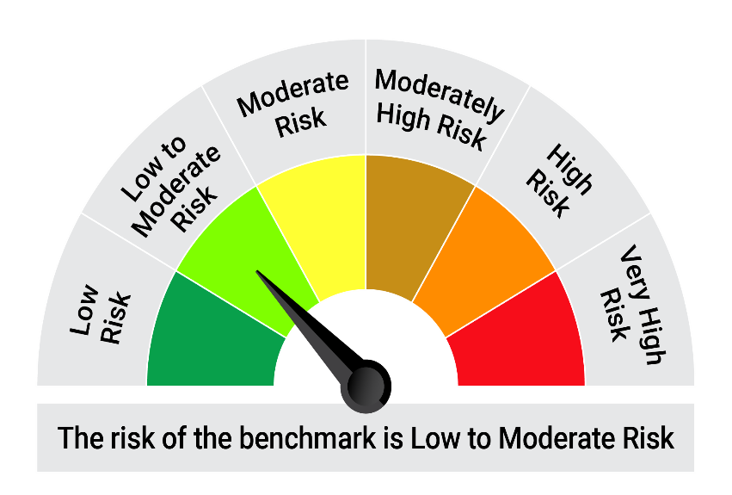
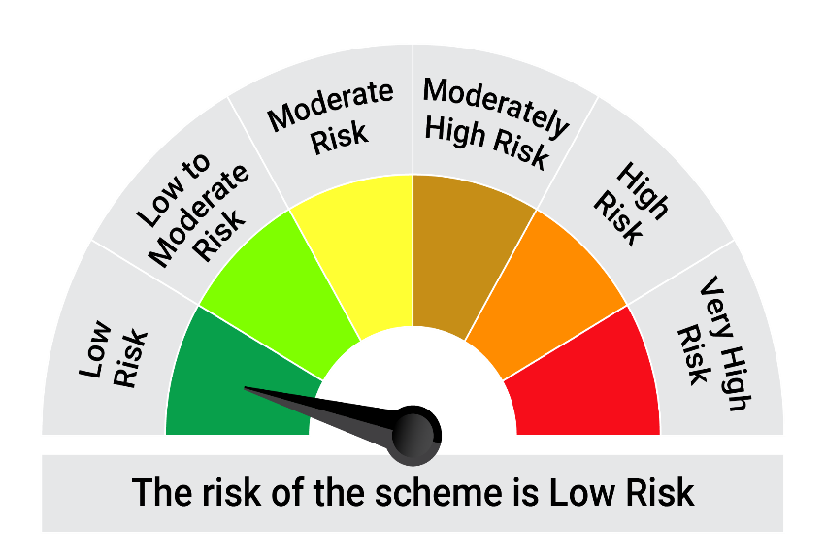

 | The Risk Level of the Scheme in scheme Risk O Meter is basis it's portfolio as on August 31, 2026 |  | The Risk Level of the Benchmark Index in the Risk O Meter is basis it's constituents as on August 31, 2026

 | Potential Risk Class Matrix - Quantum Liquid Fund
 | Credit Risk → | Relatively Low | Moderate | Relatively High
 | Interest Rate Risk ↓ | (Class A) | (Class B) | (Class C)
 | Relatively Low (Class I) | A-I
 | Moderate (Class II)
 | Relatively High (Class III)

QGF
Quantum Mutual Fund

Quantum Asset Management Company Private Ltd
Registered Office: 1st Floor, Apeejay House, 3 Dinshaw Vachha Road, Backbay Reclamation, Churchgate, Mumbai - 400020, Maharashtra, India
Toll Free Helpline.: 1800 22 3863 | Tel No.: 91-22-61447800 | E-mail: CustomerCare@QuantumAMC.com | Website: www.QuantumAMC.com

Quantum Gold ETF (An Open Ended Scheme Replicating/ Tracking Gold)

Monthly Portfolio Statement of the Quantum Gold ETF for the period ended August 31, 2026

Sr.No. | Name of Instrument | Quantity | Market/ Fair Value ( Rs. in Lakhs) | % to NAV | Annualised Yield to Maturity

 | GOLD

1 | GOLD .995 Purity 1KG BAR at Mumbai Location | 454 | 70,421.76 | 89.24%
2 | GOLD .995 Purity 1KG BAR at Ahmedabad Location | 46 | 7,135.24 | 9.04%
3 | GOLD .999 Purity 100 Gram BAR at Mumbai Location | 25 | 389.36 | 0.49%
4 | GOLD .999 Purity 100 Gram BAR at Ahmedabad Location | 2 | 31.15 | 0.04%

 | Total of Gold |  | 77,977.51 | 98.81%

 | MONEY MARKET INSTRUMENTS

a) | Treasury Bills (T-Bill) |  | NIL | NIL | NIL

b) | Commercial Papers (CP) |  | NIL | NIL | NIL

c) | Certificate of Deposits (CD) |  | NIL | NIL | NIL

d) | TREPS ^ |  | 13.94 | 0.02% | 4.98%

 | Total of Money Market Instruments |  | 13.94 | 0.02%

 | OTHERS
 | Net Receivable/(payable) |  | 921.20 | 1.17%

 | Grand Total |  | 78,912.65 | 100.00%

 | Notes:
(1) | The provisions made for investment in security below investment grade as on August 31, 2026 is NIL & its percentage to NAV is NIL.
(2) | Option wise per unit Net Asset Value are as follows:
 | Option | As on August 31, 2026 (Rs.) | As on July 31, 2026 (Rs.)
 | ETF | 127.8560 | 117.4697
(3) | Bonus declared during the period ended August 31, 2026 - NIL
(4) | Total outstanding exposure in derivative instruments as on August 31, 2026 - NIL
(5) | Total Market value of investments in Foreign Securities/American Depository Receipts/Global Depository Receipts as on August 31, 2026 - NIL
(6) | The Face Value per unit is Rs.2
(7) | Investment in Fixed Deposits - NIL
(8) | Total Commission for the month ended August 31, 2026 - NIL
(9) | Brokerage and Transaction Cost including Statutory Levies incurred for buying and selling of investments for the month ended August 31, 2026 is NIL
(10) | Details of Repo in Corporate Debt Securities as on August 31, 2026 is NIL
^ | Cash & Cash Equivalents

 | Riskometer of the Scheme |  | Tier I Benchmark Riskometer - Domestic Price of Gold
 | High Risk |  | High Risk




 | The Risk Level of the Scheme in scheme Risk O Meter is basis it's portfolio as on August 31, 2026 |  | The Risk Level of the Benchmark Index in the Risk O Meter is basis it's constituents as on August 31, 2026

QMAFOF
Quantum Mutual Fund

Quantum Asset Management Company Private Ltd
Registered Office: 1st Floor, Apeejay House, 3 Dinshaw Vachha Road, Backbay Reclamation, Churchgate, Mumbai - 400020, Maharashtra, India
Toll Free Helpline.: 1800 22 3863 | Tel No.: 91-22-61447800 | E-mail: CustomerCare@QuantumAMC.com | Website: www.QuantumAMC.com

Quantum Multi Asset Active FOF (An Open Ended Fund of Funds Scheme investing in Equity-oriented schemes, Debt oriented schemes and Gold based schemes)

Monthly Portfolio Statement of the Quantum Multi Asset Active FOF for the period ended August 31, 2026

Sr.No. | Name of Instrument | ISIN | Quantity | Market/ Fair Value ( Rs. in Lakhs) | % to NAV | Annualised Yield to Maturity

 | MUTUAL FUND UNITS

1 | Quantum Value Fund - Direct Plan - Growth Option* | INF082J01036 | 1,963,930 | 2,476.12 | 31.23%
2 | Quantum Liquid Fund - Direct Plan - Growth Option* | INF082J01127 | 4,248,234 | 1,600.04 | 20.18%
3 | Quantum ESG Best In Class Strategy Fund - Direct Plan - Growth Option* | INF082J01382 | 5,381,630 | 1,364.78 | 17.21%
4 | Quantum Dynamic Term Fund - Direct Plan - Growth Option* | INF082J01176 | 4,852,487 | 1,101.98 | 13.90%

 | Total of Mutual Fund Units |  |  | 6,542.92 | 82.52%

 | EXCHANGE TRADED FUND UNITS

1 | Quantum Gold ETF* | INF082J01408 | 965,080 | 1,233.18 | 15.55%

 | Total of Exchange Traded Fund Units |  |  | 1,233.18 | 15.55%

 | Total ( MUTUAL FUND UNITS and EXCHANGE TRADED FUND UNITS) |  |  | 7,776.10 | 98.07%

 | MONEY MARKET INSTRUMENTS

a) | Treasury Bills (T-Bill) |  |  | NIL | NIL | NIL

b) | Commercial Papers (CP) |  |  | NIL | NIL | NIL

c) | Certificate of Deposits (CD) |  |  | NIL | NIL | NIL

d) | TREPS ^ |  |  | 159.52 | 2.01% | 4.98%

 | Total of Money Market Instruments |  |  | 159.52 | 2.01%

 | OTHERS
 | Net Receivable/(payable) |  |  | -5.90 | -0.08%

 | Grand Total |  |  | 7,929.72 | 100.00%

 | Notes:
(1) | The provisions made for investment in security below investment grade as on August 31, 2026 is NIL & its percentage to NAV is NIL.
(2) | Option wise per unit Net Asset Value are as follows:
 | Option | As on August 31, 2026 (Rs.) | As on July 31, 2026 (Rs.)
 | Direct Plan Direct Growth | 37.8008 | 37.4659
 | Regular Plan Growth Option | 36.7865 | 36.4720
(3) | Bonus declared during the period ended August 31, 2026 - NIL
(4) | Total outstanding exposure in derivative instruments as on August 31, 2026 - NIL
(5) | Total Market value of investments in Foreign Securities/American Depository Receipts/Global Depository Receipts as on August 31, 2026 - NIL
(6) | The Face Value per unit is Rs.10
(7) | Investment in Fixed Deposits - NIL
(8) | Total Commission for the month ended August 31, 2026 - Rs.19,154.
(9) | Brokerage and Transaction Cost including Statutory Levies incurred for buying and selling of investments for the month ended August 31, 2026 is Rs. 567.
(10) | Details of Repo in Corporate Debt Securities as on August 31, 2026 is NIL
* | Top ten holdings
^ | Cash & Cash Equivalents
*** | Thinly Traded/ Non-Traded Securities (Equity) as on August 31, 2026

 | Riskometer of the Scheme |  | Tier I Benchmark Riskometer - CRISIL Dynamic Bond A-III Index (20%) + CRISIL Liquid Debt A-I Index (25%) + Nifty 50 TRI (40%) + Domestic price of Gold (15%)
 | High Risk |  | Moderately High Risk

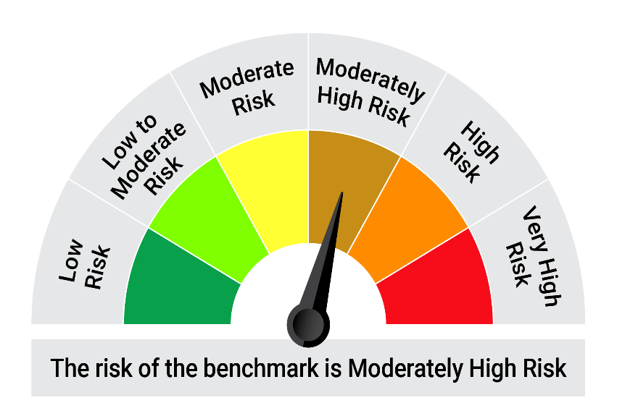

 | The Risk Level of the Scheme in scheme Risk O Meter is basis it's portfolio as on August 31, 2026 |  | The Risk Level of the Benchmark Index in the Risk O Meter is basis it's constituents as on August 31, 2026

QDBF
Quantum Mutual Fund

Quantum Asset Management Company Private Ltd
Registered Office: 1st Floor, Apeejay House, 3 Dinshaw Vachha Road, Backbay Reclamation, Churchgate, Mumbai - 400020, Maharashtra, India
Toll Free Helpline.: 1800 22 3863 | Tel No.: 91-22-61447800 | E-mail: CustomerCare@QuantumAMC.com | Website: www.QuantumAMC.com

Quantum Dynamic Term Fund (An Open-ended Dynamic Debt Scheme investing Across Duration. A relatively high interest rate risk and relatively low credit risk)

Monthly Portfolio Statement of the Quantum Dynamic Term Fund for the period ended August 31, 2026

Sr.No. | Name of Instrument | ISIN | Rating | Quantity | Market/ Fair Value ( Rs. in Lakhs) | % to NAV | Annualised Yield to Maturity | ~YTC (AT1/Tier 2 bonds)

 | DEBT INSTRUMENTS

a) | Listed /Awaiting listing on Stock Exchanges

i) | Bonds

1 | 8.95% Power Fin Corp Ltd SR 178 NCD (MD 10/10/28)** | INE134E08JQ3 | CRISIL AAA | 50 | 512.45 | 5.82% | 7.61%
2 | 7.44% NABARD NCD SR 26F (MD 17/07/2029)** | INE261F08EU4 | CRISIL AAA | 500 | 496.55 | 5.64% | 7.71%
3 | 7.34% SIDBI NCD Ser III (MD 26/02/2029)** | INE556F08KS8 | CRISIL AAA | 500 | 495.82 | 5.63% | 7.74%
4 | 6.80% National Housing Bank NCD (MD 02/04/2032)** | INE557F08GE4 | IND AAA | 500 | 485.03 | 5.51% | 7.47%

 | Total of Bonds |  |  |  | 1,989.85 | 22.60%

ii) | Government Securities

1 | 6.94% GOI (MD 11/05/2036) | IN0020260025 | SOV | 1,200,000 | 1,198.97 | 13.63% | 7.07%
2 | 7.71% GOI (MD 18/05/2066) | IN0020260033 | SOV | 1,000,000 | 1,009.16 | 11.47% | 7.78%
3 | 7.24% GOI (MD 18/08/2055) | IN0020250075 | SOV | 1,000,000 | 962.70 | 10.94% | 7.70%
4 | 7.04% GOI (MD 03/06/2029) | IN0020240050 | SOV | 500,000 | 508.50 | 5.78% | 6.45%
5 | 6.36% GOI (MD 16/02/2031) | IN0020250141 | SOV | 500,000 | 495.59 | 5.63% | 6.70%
6 | 6.48% GOI (MD 06/10/2035) | IN0020250091 | SOV | 100,000 | 97.10 | 1.10% | 7.03%
7 | 7.3% GOI (MD 19/06/2053) | IN0020230051 | SOV | 400 | 0.39 | 0.00% | 7.72%

 | Total of Government Securities |  |  |  | 4,272.41 | 48.55%

iii) | State Government Securities

1 | 7.16% Karnataka SDL (MD 07/07/2031)** | IN1920250074 | SOV | 500,000 | 499.53 | 5.68% | 7.31%
2 | 7.05% Tamilnadu SDL (MD 17/09/2031)** | IN3120250276 | SOV | 500,000 | 497.26 | 5.65% | 7.31%
3 | 7.07% Gujarat SDL (MD 24/09/2032)** | IN1520250144 | SOV | 72,900 | 71.94 | 0.82% | 7.48%

 | Total of State Government Securities |  |  |  | 1,068.73 | 12.15%

b) | Privately Placed/Unlisted |  |  |  | NIL | NIL | NIL

c) | Securitized Debt Instruments |  |  |  | NIL | NIL | NIL

 | Total of Debt Instruments |  |  |  | 7,330.99 | 83.30%

 | MONEY MARKET INSTRUMENTS

a) | Treasury Bills (T-Bill) |  |  |  | NIL | NIL | NIL

b) | Commercial Papers (CP) |  |  |  | NIL | NIL | NIL

c) | Certificate of Deposits (CD) |  |  |  | NIL | NIL | NIL

d) | TREPS ^ |  |  |  | 1,206.01 | 13.71% | 4.72%

 | Total of Money Market Instruments |  |  |  | 1,206.01 | 13.71%

 | OTHERS
1 | Corporate Debt Market Development Fund Class A2 | INF0RQ622028 |  | 322 | 38.55 | 0.44%

 | Net Receivable/(payable) |  |  |  | 223.91 | 2.55%

 | Grand Total |  |  |  | 8,799.46 | 100.00%

 | Portfolio Information
 | Scheme Name : | Quantum Dynamic Term Fund
 | Description (if any)
 | Annualised Portfolio YTM* : | 6.93%
 | Macaulay Duration | 5.47 Years
 | Residual Maturity | 11.13 Years
 | As on (Date) | 31-08-2026
 | * in case of semi annual YTM, it will be annualised

 | Notes:
(1) | The provisions made for investment in security below investment grade as on August 31, 2026 is NIL & its percentage to NAV is NIL.
(2) | Option wise per unit Net Asset Value are as follows:
 | Option | As on August 31, 2026 (Rs.) | As on July 31, 2026 (Rs.)
 | Direct Plan Monthly IDCW | 10.3477 | 10.4015
 | Direct Plan Growth Option | 22.7096 | 22.7947
 | Regular Plan Monthly IDCW | 10.3989 | 10.4558
 | Regular Plan Growth Option | 22.2192 | 22.3121

(3) | IDCW declared during the period ended August 31, 2026
 |  | Gross IDCW per unit (Rs.)
 |  | Individual / Non Individual
 | Direct Plan Monthly IDCW | 0.01501435
 | Regular Plan Monthly IDCW | 0.01347718
 | IDCW declared was on the face value of Rs.10 per unit. Past performance may or may not be sustained in future. After payment of the IDCW, the per unit NAV falls to the extent of pay out and statutory levy, if any.TDS as applicable is being deducted from Gross IDCW as per Finance Act 2020 & investor will receive the Net IDCW.

(4) | Bonus declared during the period ended August 31, 2026 - NIL
(5) | Total outstanding exposure in derivative instruments as on August 31, 2026 - NIL
(6) | Total Market value of investments in Foreign Securities/American Depository Receipts/Global Depository Receipts as on August 31, 2026 - NIL
(7) | The Face Value per unit is Rs.10
(8) | Investment in Fixed Deposits - NIL
(9) | Total Commission for the month ended August 31, 2026 - Rs.16,289.00
(10) | Brokerage and Transaction Cost including Statutory Levies incurred for buying and selling of investments for the month ended August 31, 2026 is Rs. 19,686.
(11) | Details of Repo in Corporate Debt Securities as on August 31, 2026 is NIL
(12) | Investments in Credit Default Swap (CDS) during the month/as on August 31, 2026 is NIL.
(13) | Total number of instances of deviation in valuation of securities of the scheme from the valuation price given by the valuation agencies during the period are: NIL.
 | IDCW stands for Income Distribution cum Capital Withdrawal
~ | YTC i.e., Yield to Call is disclosed at security level only for Additional Tier 1 Bonds and Tier 2 Bonds issued by Banks as per AMFI Best Practices Notification 135/BP/91/2020-21 read with SEBI Master Circular for Mutual Funds dated June 27, 2024.
** | Non Traded Securities as per traded data obtain from FIMMDA trading platform/ NSE/ BSE/CCIL NDS-OM
^ | Cash & Cash Equivalents

 | Riskometer of the Scheme |  | Tier I Benchmark Riskometer - CRISIL Dynamic Bond A-III Index
 | Moderate Risk |  | Moderate Risk

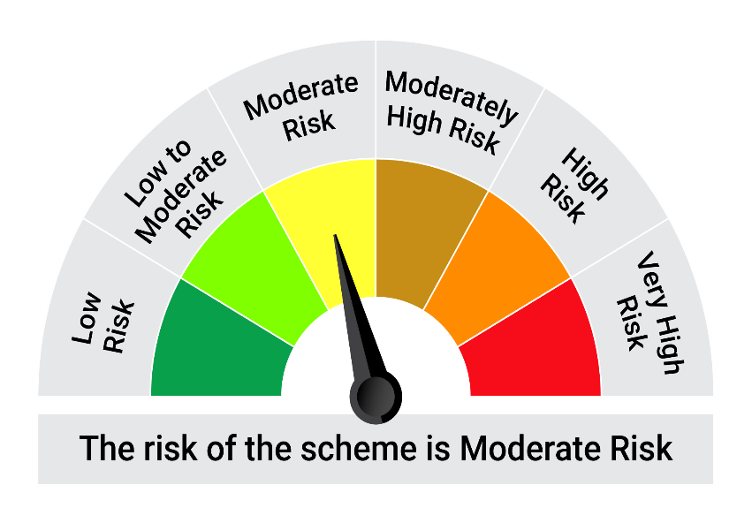


 | The Risk Level of the Scheme in scheme Risk O Meter is basis it's portfolio as on August 31, 2026 |  | The Risk Level of the Benchmark Index in the Risk O Meter is basis it's constituents as on August 31, 2026

 | Potential Risk Class Matrix - Quantum Dynamic Term Fund
 | Credit Risk → | Relatively Low | Moderate | Relatively High
 | Interest Rate Risk ↓ | (Class A) | (Class B) | (Class C)
 | Relatively Low (Class I)
 | Moderate (Class II)
 | Relatively High (Class III) | A-III

