QDBF
Quantum Mutual Fund

Quantum Asset Management Company Private Ltd
Registered Office: 1st Floor, Apeejay House, 3 Dinshaw Vachha Road, Backbay Reclamation, Churchgate, Mumbai - 400020, Maharashtra, India
Toll Free Helpline.: 1800 22 3863 | Tel No.: 91-22-61447800 | E-mail: CustomerCare@QuantumAMC.com | Website: www.QuantumAMC.com

Quantum Dynamic Term Fund (An Open-ended Dynamic Debt Scheme investing Across Duration. A relatively high interest rate risk and relatively low credit risk)

Monthly Portfolio Statement of the Quantum Dynamic Term Fund for the period ended July 31, 2026

Sr.No. | Name of Instrument | ISIN | Rating | Quantity | Market/ Fair Value ( Rs. in Lakhs) | % to NAV | Annualised Yield to Maturity | ~YTC (AT1/Tier 2 bonds)

 | DEBT INSTRUMENTS

a) | Listed /Awaiting listing on Stock Exchanges

i) | Bonds

1 | 8.95% Power Fin Corp Ltd SR 178 NCD (MD 10/10/28)** | INE134E08JQ3 | CRISIL AAA | 50 | 515.80 | 5.84% | 7.31%
2 | 7.44% NABARD NCD SR 26F (MD 17/07/2029) | INE261F08EU4 | CRISIL AAA | 500 | 500.72 | 5.66% | 7.38%
3 | 7.34% SIDBI NCD Ser III (MD 26/02/2029)** | INE556F08KS8 | CRISIL AAA | 500 | 498.68 | 5.64% | 7.47%
4 | 6.80% National Housing Bank NCD (MD 02/04/2032)** | INE557F08GE4 | IND AAA | 500 | 490.21 | 5.55% | 7.23%

 | Total of Bonds |  |  |  | 2,005.41 | 22.69%

ii) | Government Securities

1 | 7.71% GOI (MD 18/05/2066) | IN0020260033 | SOV | 1,500,000 | 1,528.22 | 17.29% | 7.70%
2 | 7.24% GOI (MD 18/08/2055) | IN0020250075 | SOV | 1,500,000 | 1,459.62 | 16.51% | 7.61%
3 | 6.68% GOI (MD 07/07/2040) | IN0020250042 | SOV | 1,000,000 | 970.47 | 10.98% | 7.14%
4 | 7.04% GOI (MD 03/06/2029) | IN0020240050 | SOV | 500,000 | 509.72 | 5.77% | 6.38%
5 | 7.06% GOI (MD 27/07/2041) | IN0020260041 | SOV | 500,000 | 501.62 | 5.67% | 7.15%
6 | 6.94% GOI (MD 11/05/2036) | IN0020260025 | SOV | 200,000 | 201.54 | 2.28% | 6.95%
7 | 6.48% GOI (MD 06/10/2035) | IN0020250091 | SOV | 100,000 | 97.72 | 1.11% | 6.93%
8 | 7.3% GOI (MD 19/06/2053) | IN0020230051 | SOV | 400 | 0.39 | 0.00% | 7.63%

 | Total of Government Securities |  |  |  | 5,269.30 | 59.61%

iii) | State Government Securities

1 | 7.16% Karnataka SDL (MD 07/07/2031)** | IN1920250074 | SOV | 500,000 | 502.88 | 5.69% | 7.14%
2 | 7.05% Tamilnadu SDL (MD 17/09/2031)** | IN3120250276 | SOV | 500,000 | 500.62 | 5.66% | 7.14%
3 | 7.07% Gujarat SDL (MD 24/09/2032)** | IN1520250144 | SOV | 72,900 | 72.63 | 0.82% | 7.27%

 | Total of State Government Securities |  |  |  | 1,076.13 | 12.17%

b) | Privately Placed/Unlisted |  |  |  | NIL | NIL | NIL

c) | Securitized Debt Instruments |  |  |  | NIL | NIL | NIL

 | Total of Debt Instruments |  |  |  | 8,350.84 | 94.47%

 | MONEY MARKET INSTRUMENTS

a) | Treasury Bills (T-Bill) |  |  |  | NIL | NIL | NIL

b) | Commercial Papers (CP) |  |  |  | NIL | NIL | NIL

c) | Certificate of Deposits (CD) |  |  |  | NIL | NIL | NIL

d) | TREPS ^ |  |  |  | 226.62 | 2.56% | 5.13%

 | Total of Money Market Instruments |  |  |  | 226.62 | 2.56%

 | OTHERS
1 | Corporate Debt Market Development Fund Class A2 | INF0RQ622028 |  | 322 | 38.39 | 0.43%

 | Net Receivable/(payable) |  |  |  | 223.35 | 2.54%

 | Grand Total |  |  |  | 8,839.20 | 100.00%

 | Portfolio Information
 | Scheme Name : | Quantum Dynamic Term Fund
 | Description (if any)
 | Annualised Portfolio YTM* : | 7.16%
 | Macaulay Duration | 7.49 Years
 | Residual Maturity | 16.31 Years
 | As on (Date) | 31-07-2026
 | * in case of semi annual YTM, it will be annualised

 | Notes:
(1) | The provisions made for investment in security below investment grade as on July 31, 2026 is NIL & its percentage to NAV is NIL.
(2) | Option wise per unit Net Asset Value are as follows:
 | Option | As on July 31, 2026 (Rs.) | As on June 30, 2026 (Rs.)
 | Direct Plan Monthly IDCW | 10.4015 | 10.4501
 | Direct Plan Growth Option | 22.7947 | 22.8657
 | Regular Plan Monthly IDCW | 10.4558 | 10.5075
 | Regular Plan Growth Option | 22.3121 | 22.3913
(3) | IDCW declared during the period ended July 31, 2026
 |  | Gross IDCW per unit (Rs.)
 |  | Individual / Non Individual
 | Direct Plan Monthly IDCW | 0.01618734
 | Regular Plan Monthly IDCW | 0.01457341
 | IDCW declared was on the face value of Rs.10 per unit. Past performance may or may not be sustained in future. After payment of the IDCW, the per unit NAV falls to the extent of pay out and statutory levy, if any.TDS as applicable is being deducted from Gross IDCW as per Finance Act 2020 & investor will receive the Net IDCW.
(4) | Bonus declared during the period ended July 31, 2026 - NIL
(5) | Total outstanding exposure in derivative instruments as on July 31, 2026 - NIL
(6) | Total Market value of investments in Foreign Securities/American Depository Receipts/Global Depository Receipts as on July 31, 2026 - NIL
(7) | The Face Value per unit is Rs.10
(8) | Investment in Fixed Deposits - NIL
(9) | Total Commission for the month ended July 31, 2026 - Rs.16,831.
(10) | Brokerage and Transaction Cost including Statutory Levies incurred for buying and selling of investments for the month ended July 31, 2026 is Rs. 6,115.
(11) | Details of Repo in Corporate Debt Securities as on July 31, 2026 is NIL
(12) | Investments in Credit Default Swap (CDS) during the month/as on July 31, 2026 is NIL.
(13) | Total number of instances of deviation in valuation of securities of the scheme from the valuation price given by the valuation agencies during the period are: NIL.
 | IDCW stands for Income Distribution cum Capital Withdrawal
~ | YTC i.e., Yield to Call is disclosed at security level only for Additional Tier 1 Bonds and Tier 2 Bonds issued by Banks as per AMFI Best Practices Notification 135/BP/91/2020-21 read with SEBI Master Circular for Mutual Funds dated June 27, 2024.
** | Non Traded Securities as per traded data obtain from FIMMDA trading platform/ NSE/ BSE/CCIL NDS-OM
^ | Cash & Cash Equivalents
 | The scheme name has changed from Quantum Dynamic Bond Fund to Quantum Dynamic Term Fund effective from June 29, 2026.

 | Riskometer of the Scheme |  | Tier I Benchmark Riskometer - CRISIL Dynamic Bond A-III Index
 | Moderate Risk |  | Moderate Risk

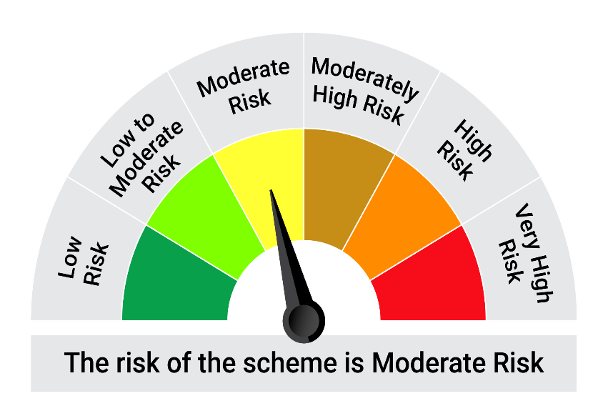


 | The Risk Level of the Scheme in scheme Risk O Meter is basis it's portfolio as on July 31, 2026 |  | The Risk Level of the Benchmark Index in the Risk O Meter is basis it's constituents as on July 31, 2026

 | Potential Risk Class Matrix - Quantum Dynamic Term Fund
 | Credit Risk → | Relatively Low | Moderate | Relatively High
 | Interest Rate Risk ↓ | (Class A) | (Class B) | (Class C)
 | Relatively Low (Class I)
 | Moderate (Class II)
 | Relatively High (Class III) | A-III

