QLF
Quantum Mutual Fund

Quantum Asset Management Company Private Ltd
Registered Office: 1st Floor, Apeejay House, 3 Dinshaw Vachha Road, Backbay Reclamation, Churchgate, Mumbai - 400020, Maharashtra, India
Toll Free Helpline.: 1800 22 3863 | Tel No.: 91-22-61447800 | E-mail: CustomerCare@QuantumAMC.com | Website: www.QuantumAMC.com

Quantum Liquid Fund (An Open-ended Liquid Scheme. A relatively low interest rate risk and relatively low credit risk)

Monthly Portfolio Statement of the Quantum Liquid Fund for the period ended December 31, 2025

Sr.No. | Name of Instrument | ISIN | Rating | Quantity | Market/ Fair Value ( Rs. in Lakhs) | % to NAV | Annualised Yield to Maturity | ~YTC (AT1/Tier 2 bonds)

 | DEBT INSTRUMENTS

a) | Listed /Awaiting listing on Stock Exchanges

i) | Bonds

1 | 7.4% NABARD Sr 23A NCD (MD 30/01/2026)** | INE261F08DO9 | CRISIL AAA | 250 | 2,501.60 | 4.43% | 6.17%

 | Total of Bonds |  |  |  | 2,501.60 | 4.43%

ii) | Government Securities |  |  |  | NIL | NIL | NIL

iii) | State Government Securities |  |  |  | NIL | NIL | NIL

b) | Privately Placed/Unlisted |  |  |  | NIL | NIL | NIL

c) | Securitized Debt Instruments |  |  |  | NIL | NIL | NIL

 | Total of Debt Instruments |  |  |  | 2,501.60 | 4.43%

 | MONEY MARKET INSTRUMENTS

a) | Treasury Bills (T-Bill)

1 | 91 Days Tbill (MD 02/01/2026)** | IN002025X273 | SOV | 6,000,000 | 5,999.12 | 10.63% | 5.35%
2 | 91 Days Tbill (MD 29/01/2026)** | IN002025X315 | SOV | 5,000,000 | 4,979.96 | 8.83% | 5.25%
3 | 364 Days Tbill (MD 27/02/2026)** | IN002024Z461 | SOV | 4,500,000 | 4,463.81 | 7.91% | 5.19%
4 | 91 Days Tbill (MD 15/01/2026) | IN002025X299 | SOV | 2,500,000 | 2,494.98 | 4.42% | 5.25%
5 | 364 Days Tbill (MD 12/02/2026) | IN002024Z446 | SOV | 2,500,000 | 2,484.85 | 4.40% | 5.30%
6 | 91 Days Tbill (MD 26/02/2026) | IN002025X356 | SOV | 2,000,000 | 1,984.20 | 3.52% | 5.19%
7 | 182 Days Tbill (MD 15/01/2026) | IN002025Y164 | SOV | 1,000,000 | 997.99 | 1.77% | 5.25%

 | Total of T-Bill |  |  |  | 23,404.91 | 41.48%

b) | Commercial Papers (CP)

1 | Small Ind Dev Bk of India CP (MD 23/01/2026)** | INE556F14LN5 | CARE A1+ | 500 | 2,490.78 | 4.42% | 6.14%
2 | Small Ind Dev Bk of India CP (MD 06/03/2026)** | INE556F14LU0 | CARE A1+ | 500 | 2,474.00 | 4.39% | 6.00%

 | Total of CPs |  |  |  | 4,964.78 | 8.81%

c) | Certificate of Deposits (CD)

1 | Export Import Bank of India CD (MD 04/03/2026) | INE514E16CJ9 | CRISIL A1+ | 1,000 | 4,950.35 | 8.78% | 5.91%
2 | Bank of Baroda CD (MD 02/01/2026) | INE028A16JT2 | CRISIL A1+ | 500 | 2,499.59 | 4.43% | 6.00%
3 | Bank of Baroda CD (MD 05/01/2026)** | INE028A16JI5 | IND A1+ | 500 | 2,498.36 | 4.43% | 6.01%
4 | National Bank For Agri & Rural CD (MD 20/01/2026) | INE261F16892 | CRISIL A1+ | 500 | 2,492.10 | 4.42% | 6.09%
5 | Canara Bank CD (MD 04/02/2026)** | INE476A16A32 | CRISIL A1+ | 500 | 2,486.28 | 4.41% | 5.93%
6 | Canara Bank CD (MD 24/02/2026)** | INE476A16A65 | CRISIL A1+ | 500 | 2,478.28 | 4.39% | 5.93%
7 | Punjab National Bank CD (MD 13/03/2026)** | INE160A16TU0 | IND A1+ | 500 | 2,471.57 | 4.38% | 5.91%
8 | Punjab National Bank CD (MD 20/03/2026)** | INE160A16RM1 | IND A1+ | 500 | 2,468.80 | 4.38% | 5.91%

 | Total of CDs |  |  |  | 22,345.33 | 39.62%

d) | TREPS ^ |  |  |  | 2,699.19 | 4.78% | 5.30%

 | Total of Money Market Instruments |  |  |  | 53,414.20 | 94.69%

 | OTHERS
1 | Corporate Debt Market Development Fund Class A2 | INF0RQ622028 |  | 1,534 | 177.26 | 0.31%

 | Net Receivable/(payable) |  |  |  | 319.57 | 0.57%

 | Grand Total |  |  |  | 56,412.63 | 100.00%

 | Portfolio Information
 | Scheme Name : | Quantum Liquid Fund
 | Description (if any)
 | Annualised Portfolio YTM* : | 5.64%
 | Macaulay Duration | 35 Days
 | Residual Maturity | 35 Days
 | As on (Date) | 31-12-2025
 | * in case of semi annual YTM, it will be annualised

 | Notes:
(1) | The provisions made for investment in security below investment grade as on December 31, 2025 is NIL & its percentage to NAV is NIL.
(2) | Total value and percentage of illiquid securities - NIL.
(3) | Option wise per unit Net Asset Value are as follows:
 | Option | As on December 31, 2025 (Rs.)
 | Direct Plan Daily IDCW | 10.0101
 | Direct Plan Monthly IDCW | 10.0215
 | Direct Plan Growth Option | 36.2188
 | Regular Plan Daily IDCW | 10.0002
 | Regular Plan Monthly IDCW | 10.0188
 | Regular Plan Growth Option | 35.9460
 | Unclaimed IDCW Plan Above 3 years | 10.0000
 | Unclaimed IDCW Plan Below 3 years | 11.3875
 | Unclaimed Redemption Plan Above 3 years | 10.0000
 | Unclaimed Redemption Plan Below 3 years | 10.9532

(4) | IDCW declared during the period ended December 31, 2025
 |  | Gross IDCW per unit (Rs.)
 |  | Individual / Non Individual
 | Direct Plan Daily IDCW | 0.04671958
 | Direct Plan Monthly IDCW | 0.04674274
 | Regular Plan Daily IDCW | 0.04672419
 | Regular Plan Monthly IDCW | 0.04570905
 | IDCW declared was on the face value of Rs.10 per unit. Past performance may or may not be sustained in future. After payment of the IDCW, the per unit NAV falls to the extent of pay out and statutory levy, if any.TDS as applicable is being deducted from Gross IDCW as per Finance Act 2020 & investor will receive the Net IDCW.
(5) | Bonus declared during the period ended December 31, 2025 - NIL
(6) | Total outstanding exposure in derivative instruments as on December 31, 2025 - NIL
(7) | Total Market value of investments in Foreign Securities/American Depository Receipts/Global Depository Receipts as on December 31, 2025 - NIL
(8) | The Face Value per unit is Rs.10
(9) | Investment in Fixed Deposits - NIL
(10) | Total Commission for the month ended December 31, 2025 - Rs.21,760.00
(11) | Total Brokerage for Buying/ Selling of Investments for the month ended December 31, 2025 is Rs.16,000.00
(12) | Details of Repo in Corporate Debt Securities as on December 31, 2025 is NIL
(13) | Total number of instances of deviation in valuation of securities of the scheme from the valuation price given by the valuation agencies during the period are: NIL.
(14) | Investments in Credit Default Swap (CDS) during the month/as on December 31, 2025 is NIL.
(15) | Quantum Liquid Fund Aum of Rs.564.13 Crores includes amount payable to investors on account of Unclaimed Dividend below 3 years amounting to Rs. 0.01 Crores & Unclaimed Redemption below 3 years amounting to Rs. 0.02 Crores.
 | IDCW stands for Income Distribution cum Capital Withdrawal
~ | YTC i.e., Yield to Call is disclosed at security level only for Additional Tier 1 Bonds and Tier 2 Bonds issued by Banks as per AMFI Best Practices Notification 135/BP/91/2020-21 read with SEBI Master Circular for Mutual Funds dated June 27, 2024.
** | Non Traded Securities as per traded data obtain from FIMMDA trading platform/ NSE/ BSE/CCIL NDS-OM
^ | Short term instrument

 | Riskometer of the Scheme |  | Tier I Benchmark Riskometer - CRISIL Liquid Debt A-I Index
 | Low Risk |  | Low to Moderate Risk

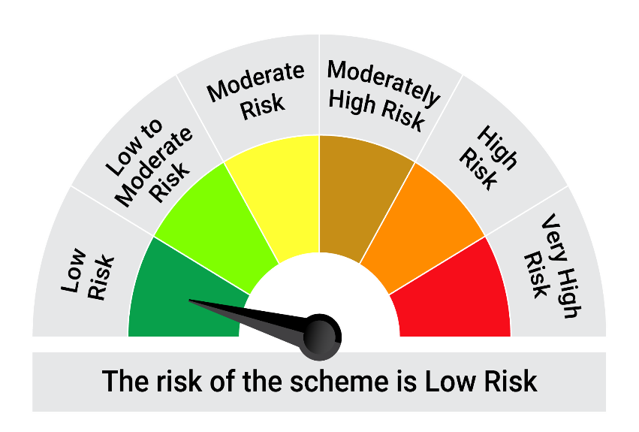
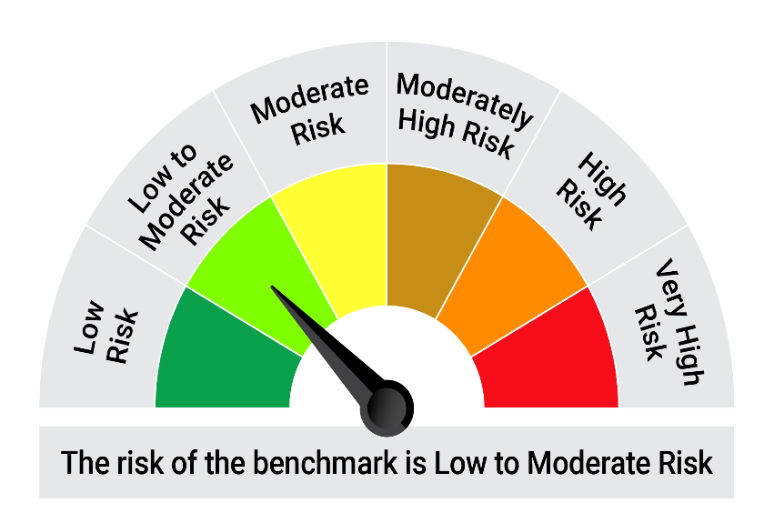

 | The Risk Level of the Scheme in scheme Risk O Meter is basis it's portfolio as on December 31, 2025 |  | The Risk Level of the Benchmark Index in the Risk O Meter is basis it's constituents as on December 31, 2025

 | Potential Risk Class Matrix - Quantum Liquid Fund
 | Credit Risk → | Relatively Low | Moderate | Relatively High
 | Interest Rate Risk ↓ | (Class A) | (Class B) | (Class C)
 | Relatively Low (Class I) | A-I
 | Moderate (Class II)
 | Relatively High (Class III)

QGF
Quantum Mutual Fund

Quantum Asset Management Company Private Ltd
Registered Office: 1st Floor, Apeejay House, 3 Dinshaw Vachha Road, Backbay Reclamation, Churchgate, Mumbai - 400020, Maharashtra, India
...
 | Notes:
(6) | The Face Value per unit is Rs.2
(7) | Investment in Fixed Deposits - NIL
(8) | Total Commission for the month ended December 31, 2025 - NIL
(9) | Total Brokerage for Buying/ Selling of Investments for the month ended December 31, 2025 is NIL
(10) | Details of Repo in Corporate Debt Securities as on December 31, 2025 is NIL
^ | Short term instrument

 | Riskometer of the Scheme | Tier I Benchmark Riskometer - Domestic Price of Gold
 | High Risk | High Risk

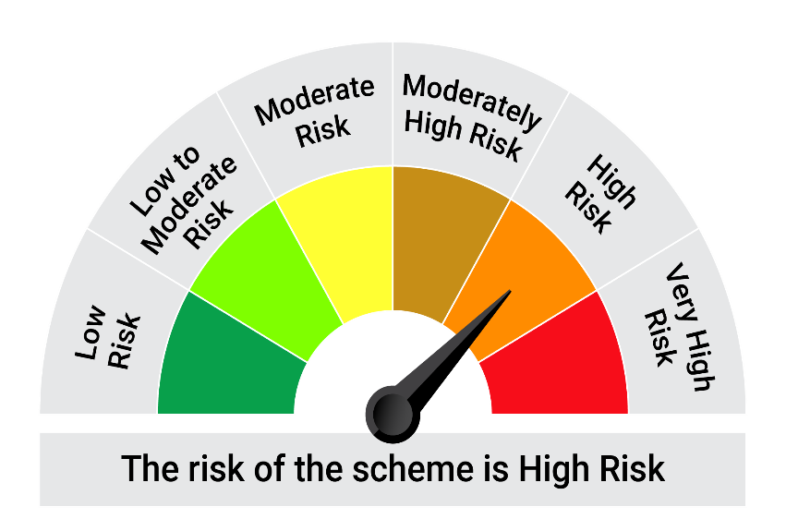

 | The Risk Level of the Scheme in scheme Risk O Meter is basis it's portfolio as on December 31, 2025 | The Risk Level of the Benchmark Index in the Risk O Meter is basis it's constituents as on December 31, 2025

QMAFOF
...
 | Notes:
(6) | The Face Value per unit is Rs.10
(7) | Investment in Fixed Deposits - NIL
(8) | Total Commission for the month ended December 31, 2025 - Rs.16,463.
(9) | Total Brokerage for Buying/ Selling of Investments for the month ended December 31, 2025 is Rs.8,854.
(10) | Details of Repo in Corporate Debt Securities as on December 31, 2025 is NIL
* | Top ten holdings
^ | Short term instrument

 | Riskometer of the Scheme | Tier I Benchmark Riskometer - CRISIL Dynamic Bond A-III Index (20%) + CRISIL Liquid Debt A-I Index (25%) + Nifty 50 TRI (40%) + Domestic price of Gold (15%)
 | High Risk | Moderately High Risk
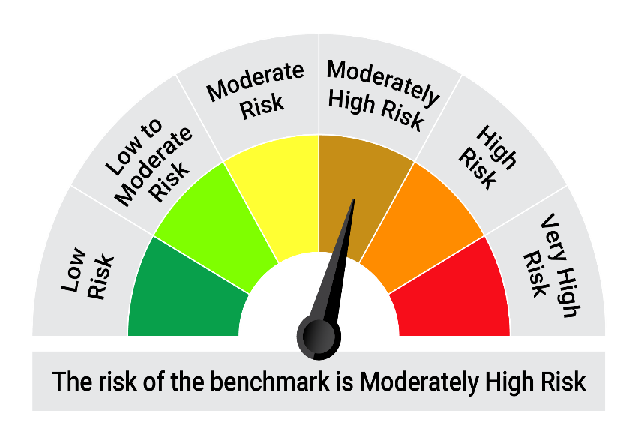

 | The Risk Level of the Scheme in scheme Risk O Meter is basis it's portfolio as on December 31, 2025 | The Risk Level of the Benchmark Index in the Risk O Meter is basis it's constituents as on December 31, 2025

QDBF
...
(3) | IDCW declared during the period ended December 31, 2025
(12) | Investments in Credit Default Swap (CDS) during the month/as on December 31, 2025 is NIL.
(13) | Total number of instances of deviation in valuation of securities of the scheme from the valuation price given by the valuation agencies during the period are: NIL.
 | IDCW stands for Income Distribution cum Capital Withdrawal
~ | YTC i.e., Yield to Call is disclosed at security level only for Additional Tier 1 Bonds and Tier 2 Bonds issued by Banks as per AMFI Best Practices Notification 135/BP/91/2020-21 read with SEBI Master Circular for Mutual Funds dated June 27, 2024.
** | Non Traded Securities as per traded data obtain from FIMMDA trading platform/ NSE/ BSE/CCIL NDS-OM
^ | Short term instrument

 | Riskometer of the Scheme |  | Tier I Benchmark Riskometer - CRISIL Dynamic Bond A-III Index
 | Moderate Risk |  | Moderate Risk

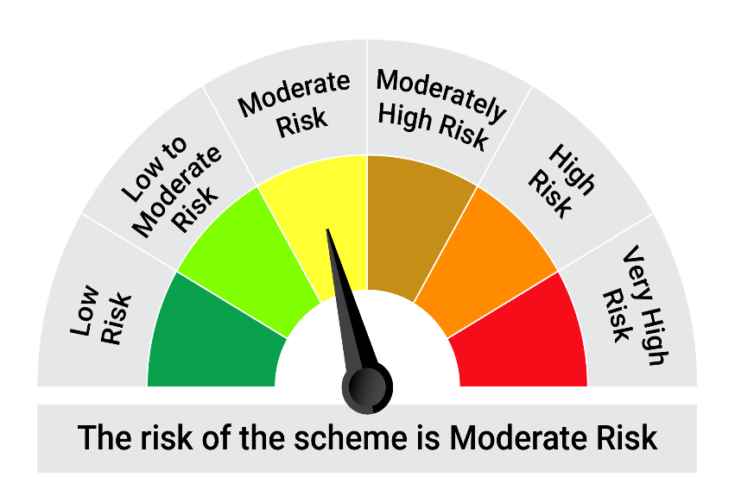

 | The Risk Level of the Scheme in scheme Risk O Meter is basis it's portfolio as on December 31, 2025 |  | The Risk Level of the Benchmark Index in the Risk O Meter is basis it's constituents as on December 31, 2025

 | Potential Risk Class Matrix - Quantum Dynamic Bond Fund
 | Credit Risk → | Relatively Low | Moderate | Relatively High
 | Interest Rate Risk ↓ | (Class A) | (Class B) | (Class C)
 | Relatively Low (Class I)
 | Moderate (Class II)
 | Relatively High (Class III) | A-III

