QMAFOF
Quantum Mutual Fund

Quantum Asset Management Company Private Ltd
Registered Office: 1st Floor, Apeejay House, 3 Dinshaw Vachha Road, Backbay Reclamation, Churchgate, Mumbai - 400020, Maharashtra, India
Toll Free Helpline.: 1800 22 3863 | Tel No.: 91-22-61447800 | E-mail: CustomerCare@QuantumAMC.com | Website: www.QuantumAMC.com

Quantum Multi Asset Active FOF (An Open Ended Fund of Funds Scheme investing in Equity-oriented schemes, Debt oriented schemes and Gold based schemes)

Monthly Portfolio Statement of the Quantum Multi Asset Active FOF for the period ended September 30, 2025

Sr.No. | Name of Instrument | ISIN | Quantity | Market/ Fair Value ( Rs. in Lakhs) | % to NAV | Annualised Yield to Maturity

 | MUTUAL FUND UNITS

1 | Quantum Dynamic Bond Fund - Direct Plan - Growth Option* | INF082J01176 | 7,883,071 | 1,729.92 | 24.96%
2 | Quantum Liquid Fund - Direct Plan - Growth Option* | INF082J01127 | 2,768,353 | 988.88 | 14.27%
3 | Quantum Value Fund - Direct Plan - Growth Option* | INF082J01036 | 436,129 | 560.91 | 8.09%
4 | Quantum ESG Best In Class Strategy Fund - Direct Plan - Growth Option* | INF082J01382 | 2,230,076 | 555.96 | 8.02%

 | Total of Mutual Fund Units |  |  | 3,835.67 | 55.34%

 | EXCHANGE TRADED FUND UNITS

1 | Quantum Nifty 50 ETF* | INF082J01028 | 62,247 | 1,672.30 | 24.13%
2 | Quantum Gold Fund -Exchange Traded Fund (ETF)* | INF082J01408 | 1,184,933 | 1,134.10 | 16.37%

 | Total of Exchange Traded Fund Units |  |  | 2,806.40 | 40.50%

 | Total ( MUTUAL FUND UNITS and EXCHANGE TRADED FUND UNITS) |  |  | 6,642.07 | 95.84%

 | MONEY MARKET INSTRUMENTS

a) | Treasury Bills (T-Bill) |  |  | NIL | NIL | NIL

b) | Commercial Papers (CP) |  |  | NIL | NIL | NIL

c) | Certificate of Deposits (CD) |  |  | NIL | NIL | NIL

d) | TREPS ^ |  |  | 292.39 | 4.22% | 5.50%

 | Total of Money Market Instruments |  |  | 292.39 | 4.22%

 | OTHERS
 | Net Receivable/(payable) |  |  | -4.49 | -0.06%

 | Grand Total |  |  | 6,929.97 | 100.00%

 | Notes:
(1) | The provisions made for investment in security below investment grade as on September 30, 2025 is NIL & its percentage to NAV is NIL.
(2) | Option wise per unit Net Asset Value are as follows:
 | Option | As on September 30, 2025 (Rs.)
 | Direct Plan Growth Option | 35.4873
 | Regular Plan Growth Option | 34.6527
(3) | Bonus declared during the period ended September 30, 2025 - NIL.
(4) | Total outstanding exposure in derivative instruments as on September 30, 2025 - NIL.
(5) | Total Market value of investments in Foreign Securities/American Depository Receipts/Global Depository Receipts as on September 30, 2025 - NIL.
(6) | The Face Value per unit is Rs.10.
(7) | Investment in Fixed Deposits - NIL.
(8) | Total Commission for the month ended September 30, 2025 - Rs.14,720
(9) | Total Brokerage for Buying/ Selling of Investments for the month ended September 30, 2025 is Rs.4,018
(10) | Details of Repo in Corporate Debt Securities as on September 30, 2025 is NIL
* | Top ten holdings
^ | Cash & Cash Equivalents

 | Riskometer of the Scheme |  | Tier I Benchmark Riskometer - CRISIL Dynamic Bond A-III Index (20%) + CRISIL Liquid Debt A-I Index (25%) + Nifty 50 TRI (40%) + Domestic price of Gold (15%)
 | High Risk |  | Moderately High Risk
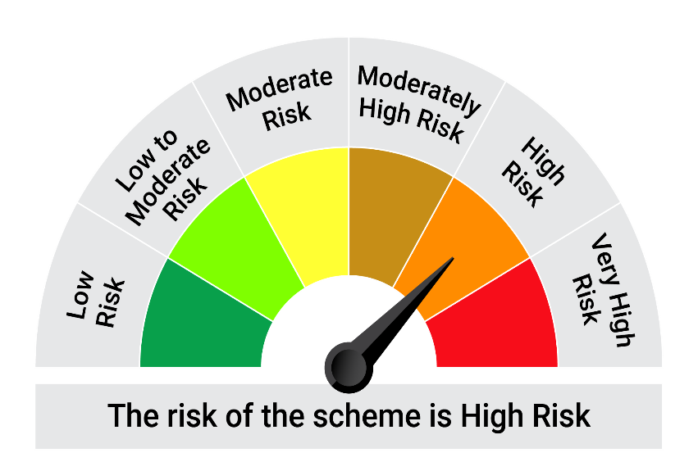
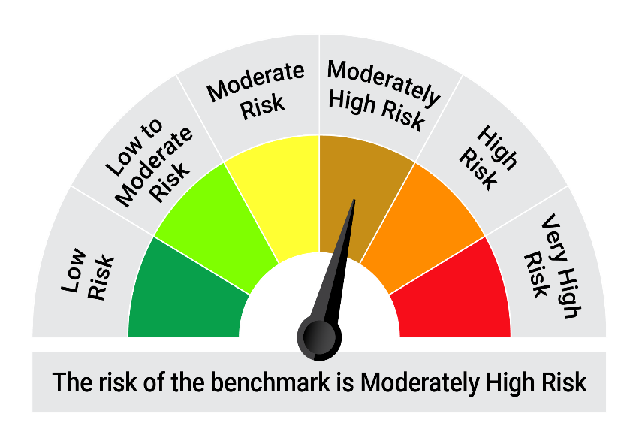

 | The Risk Level of the Scheme in scheme Risk O Meter is basis it's portfolio as on September 30, 2025 |  | The Risk Level of the Benchmark Index in the Risk O Meter is basis it's constituents as on September 30, 2025

