QMAFOF
Quantum Mutual Fund

Quantum Asset Management Company Private Ltd
Registered Office: 1st Floor, Apeejay House, 3 Dinshaw Vachha Road, Backbay Reclamation, Churchgate, Mumbai - 400020, Maharashtra, India
Toll Free Helpline.: 1800 22 3863 | Tel No.: 91-22-61447800 | E-mail: CustomerCare@QuantumAMC.com | Website: www.QuantumAMC.com

Quantum Multi Asset Active FOF (An Open Ended Fund of Funds Scheme investing in Equity-oriented schemes, Debt oriented schemes and Gold based schemes)

Monthly Portfolio Statement of the Quantum Multi Asset Active FOF for the period ended July 31, 2026

Sr.No. | Name of Instrument | ISIN | Quantity | Market/ Fair Value ( Rs. in Lakhs) | % to NAV | Annualised Yield to Maturity

 | MUTUAL FUND UNITS

1 | Quantum Value Fund - Direct Plan - Growth Option* | INF082J01036 | 1,963,930 | 2,506.56 | 31.86%
2 | Quantum Liquid Fund - Direct Plan - Growth Option* | INF082J01127 | 4,248,234 | 1,591.86 | 20.24%
3 | Quantum ESG Best In Class Strategy Fund - Direct Plan - Growth Option* | INF082J01382 | 5,381,630 | 1,368.55 | 17.40%
4 | Quantum Dynamic Term Fund - Direct Plan - Growth Option* | INF082J01176 | 4,852,487 | 1,106.11 | 14.06%

 | Total of Mutual Fund Units |  |  | 6,573.08 | 83.56%

 | EXCHANGE TRADED FUND UNITS

1 | Quantum Gold ETF* | INF082J01408 | 965,080 | 1,132.81 | 14.40%

 | Total of Exchange Traded Fund Units |  |  | 1,132.81 | 14.40%

 | Total ( MUTUAL FUND UNITS and EXCHANGE TRADED FUND UNITS) |  |  | 7,705.89 | 97.96%

 | MONEY MARKET INSTRUMENTS

a) | Treasury Bills (T-Bill) |  |  | NIL | NIL | NIL

b) | Commercial Papers (CP) |  |  | NIL | NIL | NIL

c) | Certificate of Deposits (CD) |  |  | NIL | NIL | NIL

d) | TREPS ^ |  |  | 170.66 | 2.17% | 5.30%

 | Total of Money Market Instruments |  |  | 170.66 | 2.17%

 | OTHERS
 | Net Receivable/(payable) |  |  | -9.78 | -0.13%

 | Grand Total |  |  | 7,866.77 | 100.00%

 | Notes:
(1) | The provisions made for investment in security below investment grade as on July 31, 2026 is NIL & its percentage to NAV is NIL.
(2) | Option wise per unit Net Asset Value are as follows:
 | Option | As on July 31, 2026 (Rs.) | As on June 30, 2026 (Rs.)
 | Direct Plan Growth Option | 37.4659 | 36.6550
 | Regular Plan Growth Option | 36.4720 | 35.6938
(3) | Bonus declared during the period ended July 31, 2026 - NIL
(4) | Total outstanding exposure in derivative instruments as on July 31, 2026 - NIL
(5) | Total Market value of investments in Foreign Securities/American Depository Receipts/Global Depository Receipts as on July 31, 2026 - NIL
(6) | The Face Value per unit is Rs.10
(7) | Investment in Fixed Deposits - NIL
(8) | Total Commission for the month ended July 31, 2026 - Rs.18,738.
(9) | Brokerage and Transaction Cost including Statutory Levies incurred for buying and selling of investments for the month ended July 31, 2026 is Rs. 700.
(10) | Details of Repo in Corporate Debt Securities as on July 31, 2026 is NIL
* | Top ten holdings
^ | Cash & Cash Equivalents

 | Riskometer of the Scheme |  | Tier I Benchmark Riskometer - CRISIL Dynamic Bond A-III Index (20%) + CRISIL Liquid Debt A-I Index (25%) + Nifty 50 TRI (40%) + Domestic price of Gold (15%)
 | High Risk |  | Moderately High Risk


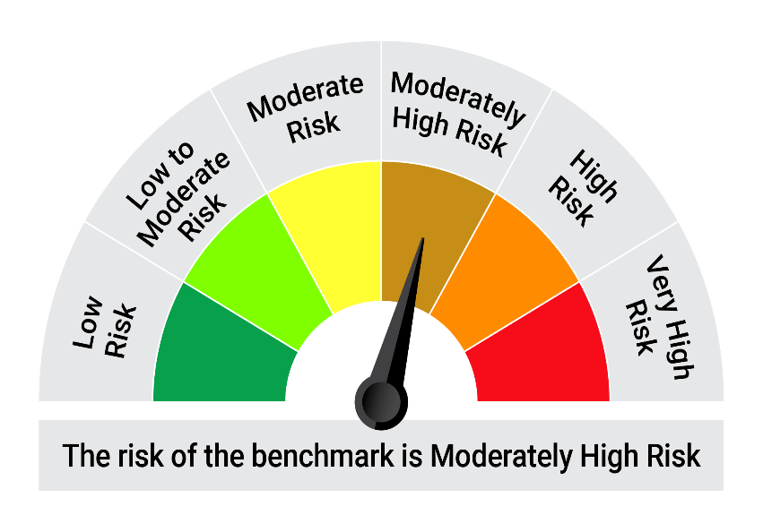

 | The Risk Level of the Scheme in scheme Risk O Meter is basis it's portfolio as on July 31, 2026 |  | The Risk Level of the Benchmark Index in the Risk O Meter is basis it's constituents as on July 31, 2026

